Dashboard
Data Professional Survey Breakdown

Count of Survey Takers | Average age of survey takers | Count Of Females | Count Of Males | Average of Salary
630 | 29.87 | 162 | 468 | 54.00

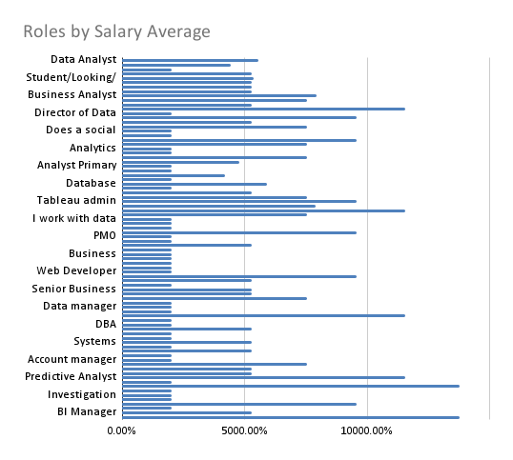
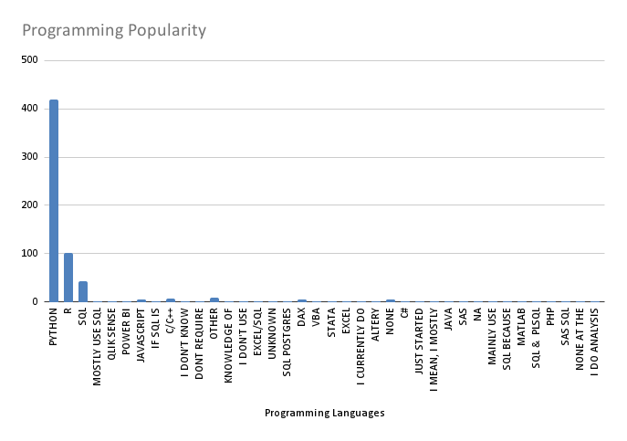

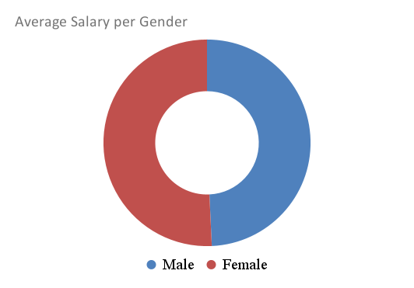
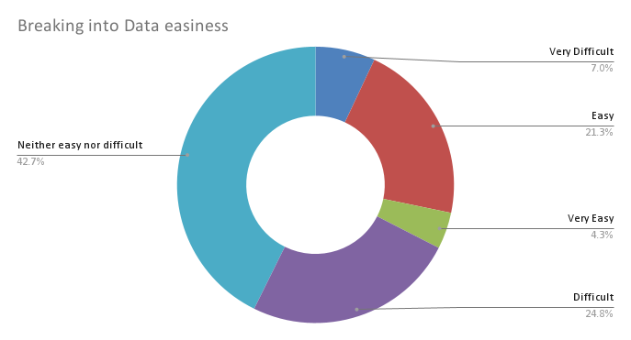

This dashboard has been created by Hadiana Sliwa using Google Sheets, for learning purposes. The data was taken from @AlexTheAnalyst github

